DCF MODEL
TC Energy Corporation (TRP)
In million of CAD, except per share |  |  |  | Historical |  |  |  |  | Forecasted
USD/CAD = | 1.274 |  |  | 2017A | 2018A | 2019A | 2020A | 2021A | 2022E | 2023E | 2024E | 2025E | 2026E | 2027E | 2028E | 2029E | 2030E | 2031E
Balance Sheet Check |  |  |  | OK | OK | OK | OK | OK | OK | OK | OK | OK | OK | OK | OK | OK | OK | OK
End of Period |  |  |  | 2017-12-31 | 2018-12-31 | 2019-12-31 | 2020-12-31 | 2021-12-31 | 2022-12-31 | 2023-12-31 | 2024-12-31 | 2025-12-31 | 2026-12-31 | 2027-12-31 | 2028-12-31 | 2029-12-31 | 2030-12-31 | 2031-12-31
Days in Period |  |  |  | 365 | 365 | 365 | 366 | 365 | 365 | 365 | 366 | 365 | 365 | 365 | 366 | 365 | 365 | 365
Fraction of Year |  |  |  | 1.00 | 1.00 | 1.00 | 1.00 | 1.00 | 1.00 | 1.00 | 1.00 | 1.00 | 1.00 | 1.00 | 1.00 | 1.00 | 1.00 | 1.00

Assumptions

BASE CASE
Revenue growth
Natural Gas Pipelines |  |  |  |  | 14.3% | 6.9% | 6.5% | 1.4% | 15.0% | 15.0% | 14.0% | 14.0% | 12.0% | 10.0% | 8.0% | 6.0% | 4.0% | 3.0%
Oil Pipelines |  |  |  |  | 28.6% | 11.4% | -17.6% | -2.7% | 4.0% | 4.0% | 3.0% | 2.0% | 1.0% | 1.0% | -0.5% | -0.5% | -0.5% | -0.5%
Power storage |  |  |  |  | -40.9% | -63.0% | -47.5% | 75.7% | 20.0% | 18.0% | 16.0% | 14.0% | 12.0% | 10.0% | 8.0% | 6.0% | 4.0% | 3.0%
Total Revenue |  |  |  |  | 1.7% | -3.1% | -1.9% | 3.0%
COGS as % of Total Revenue |  |  |  | 33.3% | 30.4% | 35.0% | 35.4% | 36.4% | 34.1% | 34.1% | 34.1% | 33.0% | 33.0% | 33.0% | 32.0% | 31.0% | 31.0% | 30.0%
Other Operaring Expense % Rev. |  |  |  | 27.1% | 16.7% | 2.8% | 0.0% | 21.2% | 0.0% | 0.0% | 0.0% | 0.0% | 0.0% | 0.0% | 0.0% | 0.0% | 0.0% | 0.0%
Dep & Amort % Rev |  |  |  | 15.3% | 17.2% | 18.6% | 19.9% | 18.8% | 18.0% | 18.0% | 18.0% | 18.0% | 18.0% | 18.0% | 18.0% | 18.0% | 18.0% | 18.0%
Foreign Exchange % Rev |  |  |  | 2.8% | 2.9% | 3.2% | 3.3% | 2.4% | 0.0% | 0.0% | 0.0% | 0.0% | 0.0% | 0.0% | 0.0% | 0.0% | 0.0% | 0.0%
Income from Affiliates % Rev |  |  |  | -5.7% | -5.3% | -6.8% | -7.6% | -6.7% | 0.0% | 0.0% | 0.0% | 0.0% | 0.0% | 0.0% | 0.0% | 0.0% | 0.0% | 0.0%
Other Non-Operating Income % Rev |  |  |  | -11.3% | -7.0% | -5.9% | -5.5% | -4.4% | 0.0% | 0.0% | 0.0% | 0.0% | 0.0% | 0.0% | 0.0% | 0.0% | 0.0% | 0.0%
Effective Tax Rate |  |  |  | -2.7% | 10.9% | 14.5% | 3.8% | 5.5% | 6.4% | 6.4% | 6.4% | 6.4% | 6.4% | 6.4% | 6.4% | 6.4% | 6.4% | 6.4%
Net Income Attributable to Non-Cont. Int. (% net income) |  |  |  | 7.0% | -5.3% | 6.6% | 6.0% | 4.4% | 0.0% | 0.0% | 0.0% | 0.0% | 0.0% | 0.0% | 0.0% | 0.0% | 0.0% | 0.0%
Divdend payout ratio |  |  |  | 47.3% | 46.7% | 47.3% | 68.2% | 176.9% | 70.0% | 70.0% | 70.0% | 70.0% | 70.0% | 70.0% | 70.0% | 70.0% | 70.0% | 70.0%

Accounts Receivable Days |  |  |  | 68.45 | 67.64 | 66.69 | 60.87 | 84.30 | 65.91 | 65.91 | 65.91 | 65.91 | 65.91 | 65.91 | 65.91 | 65.91 | 65.91 | 65.91
Inventory Days |  |  |  | 30.83 | 37.82 | 35.56 | 49.99 | 54.24 | 41.69 | 41.69 | 41.69 | 41.69 | 41.69 | 41.69 | 41.69 | 41.69 | 41.69 | 41.69
Other Current Assets as % of Total Revenue |  |  |  | 5.1% | 12.6% | 25.9% | 6.8% | 21.9% | 14.5% | 14.5% | 14.5% | 14.5% | 14.5% | 14.5% | 14.5% | 14.5% | 14.5% | 14.5%
Goodwill % Rev |  |  |  | 97.3% | 103.6% | 97.2% | 97.5% | 94.0% | 0.0% | 0.0% | 0.0% | 0.0% | 0.0% | 0.0% | 0.0% | 0.0% | 0.0% | 0.0%
Other Intangible Assets % Rev |  |  |  | 0.0% | 14.0% | 16.4% | 7.5% | 10.5% | 12.1% | 12.1% | 12.1% | 12.1% | 12.1% | 12.1% | 12.1% | 12.1% | 12.1% | 12.1%
Investments in Affiliates/ JVs |  |  |  | 47.3% | 52.0% | 49.1% | 51.4% | 63.1% | 52.6% | 52.6% | 52.6% | 52.6% | 52.6% | 52.6% | 52.6% | 52.6% | 52.6% | 52.6%
Other LT Assets % Rev |  |  |  | 34.9% | 29.8% | 34.5% | 38.4% | 31.3% | 33.8% | 33.8% | 33.8% | 33.8% | 33.8% | 33.8% | 33.8% | 33.8% | 33.8% | 33.8%
Accounts Payable Days |  |  |  | 396.5 | 508.9 | 450.2 | 404.6 | 470.9 | 446.2 | 446.2 | 446.2 | 446.2 | 446.2 | 446.2 | 446.2 | 446.2 | 446.2 | 446.2
Short-Term Debt % Rev |  |  |  | 34.4% | 45.5% | 53.3% | 47.7% | 48.8% | 45.9% | 45.9% | 45.9% | 45.9% | 45.9% | 45.9% | 45.9% | 45.9% | 45.9% | 45.9%
Other Current Liabilities % Rev |  |  |  | 2.9% | 6.7% | 0.9% | 5.3% | 1.7% | 3.5% | 3.5% | 3.5% | 3.5% | 3.5% | 3.5% | 3.5% | 3.5% | 3.5% | 3.5%
Long-Term Debt % Rev |  |  |  | 289.1% | 321.8% | 327.2% | 337.2% | 348.5% | 324.8% | 324.8% | 324.8% | 324.8% | 324.8% | 315.0% | 305.0% | 295.0% | 285.0% | 275.0%
Other Long-Term Liabilities % Rev |  |  |  | 77.7% | 80.2% | 80.1% | 87.7% | 83.1% | 81.7% | 81.7% | 81.7% | 81.7% | 81.7% | 81.7% | 81.7% | 81.7% | 81.7% | 81.7%
Capex as % of Revenue |  |  |  | 37.2% | 68.0% | 56.4% | 61.6% | 44.3% | 45.0% | 42.0% | 40.0% | 35.0% | 30.0% | 25.0% | 20.0% | 20.0% | 18.0% | 18.0%

Income Statement

Revenue:
Natural Gas Pipelines |  |  |  | 7,847 | 8,971 | 9,591 | 10,216 | 10,357 | 11,911 | 13,697 | 15,615 | 17,801 | 19,937 | 21,931 | 23,685 | 25,106 | 26,110 | 26,894
Oil Pipelines |  |  |  | 2,009 | 2,584 | 2,879 | 2,371 | 2,306 | 2,398 | 2,494 | 2,569 | 2,620 | 2,647 | 2,673 | 2,660 | 2,646 | 2,633 | 2,620
Power storage |  |  |  | 3,593 | 2,124 | 785 | 412 | 724 | 869 | 1,025 | 1,189 | 1,356 | 1,518 | 1,670 | 1,804 | 1,912 | 1,989 | 2,048
Total Revenue |  |  |  | 13,449 | 13,679 | 13,255 | 12,999 | 13,387 | 15,178 | 17,216 | 19,373 | 21,777 | 24,102 | 26,274 | 28,149 | 29,665 | 30,732 | 31,562
Cost of Goods Sold |  |  |  | 4,475 | 4,160 | 4,640 | 4,605 | 4,872 | 5,176 | 5,871 | 6,607 | 7,186 | 7,954 | 8,670 | 9,008 | 9,196 | 9,527 | 9,469
Gross Profit |  |  |  | 8,974 | 9,519 | 8,615 | 8,394 | 8,515 | 10,002 | 11,345 | 12,766 | 14,591 | 16,148 | 17,603 | 19,141 | 20,469 | 21,205 | 22,093
Other Operating Expense |  |  |  | 3,639 | 2,289 | 365 | - | 2,832 | - | - | - | - | - | - | - | - | - | -
Depreciation & Amortization |  |  |  | 2,055 | 2,350 | 2,464 | 2,590 | 2,522 | 2,726 | 3,093 | 3,480 | 3,912 | 4,329 | 4,719 | 5,056 | 5,329 | 5,520 | 5,669
Operating Income (EBIT) |  |  |  | 3,280 | 4,880 | 5,786 | 5,804 | 3,161 | 7,275 | 8,253 | 9,286 | 10,679 | 11,819 | 12,884 | 14,085 | 15,140 | 15,685 | 16,424
Interest |  |  |  | 1,885 | 2,189 | 1,873 | 2,015 | 2,160 | 2,270 | 2,411 | 2,774 | 3,134 | 3,479 | 3,754 | 3,961 | 4,090 | 4,146 | 4,148
Foreign Exchange |  |  |  | 379 | 394 | 434 | 446 | 320 | - | - | - | - | - | - | - | - | - | -
Income from Affiliates |  |  |  | (773) | (714) | (920) | (1,019) | (898) | - | - | - | - | - | - | - | - | - | -
Other Non-Operating Income |  |  |  | (1,517) | (938) | (788) | (745) | (587) | - | - | - | - | - | - | - | - | - | -
EBT |  |  |  | 3,306 | 3,949 | 5,187 | 5,107 | 2,166 | 5,006 | 5,841 | 6,513 | 7,544 | 8,340 | 9,130 | 10,124 | 11,050 | 11,539 | 12,276
Taxes |  |  |  | (89) | 432 | 754 | 194 | 120 | 322 | 375 | 418 | 485 | 536 | 587 | 650 | 710 | 741 | 789
Net Income |  |  |  | 3,395 | 3,517 | 4,433 | 4,913 | 2,046 | 4,684 | 5,466 | 6,094 | 7,060 | 7,804 | 8,544 | 9,474 | 10,340 | 10,798 | 11,487
Net Income Attributable to Non-Cont. Int. |  |  |  | 238 | (185) | 293 | 297 | 91 | - | - | - | - | - | - | - | - | - | -
Net Income to Controlling Interest |  |  |  | 3,157 | 3,702 | 4,140 | 4,616 | 1,955 | 4,684 | 5,466 | 6,094 | 7,060 | 7,804 | 8,544 | 9,474 | 10,340 | 10,798 | 11,487

Dividend |  |  |  | 1,494 | 1,729 | 1,958 | 3,146 | 3,458 | 3,279 | 3,826 | 4,266 | 4,942 | 5,463 | 5,980 | 6,632 | 7,238 | 7,559 | 8,041

Balance Sheet

ASSETS:
Current Assets
Cash & Cash Equivalents |  |  |  | 1,089 | 446 | 1,343 | 1,530 | 673 | 3,000 | 7,899 | 13,271 | 20,145 | 27,992 | 33,985 | 39,708 | 44,089 | 47,762 | 50,342
Accounts Receivable |  |  |  | 2,522 | 2,535 | 2,422 | 2,162 | 3,092 | 2,741 | 3,109 | 3,489 | 3,932 | 4,352 | 4,744 | 5,069 | 5,357 | 5,549 | 5,699
Inventory |  |  |  | 378 | 431 | 452 | 629 | 724 | 591 | 671 | 753 | 821 | 908 | 990 | 1,026 | 1,050 | 1,088 | 1,081
Other Current Assets |  |  |  | 691 | 1,723 | 3,434 | 880 | 2,934 | 2,196 | 2,490 | 2,802 | 3,150 | 3,486 | 3,801 | 4,072 | 4,291 | 4,446 | 4,566
Total Current Assets |  |  |  | 4,680 | 5,135 | 7,651 | 5,201 | 7,423 | 8,527 | 14,168 | 20,315 | 28,048 | 36,739 | 43,520 | 49,875 | 54,787 | 58,845 | 61,688

Non-Current Assets
PP&E, Net |  |  |  | 57,277 | 66,503 | 65,489 | 69,775 | 70,182 | 74,286 | 78,424 | 82,693 | 86,404 | 89,305 | 91,154 | 91,727 | 92,332 | 92,343 | 92,355
Goodwill |  |  |  | 13,084 | 14,178 | 12,887 | 12,679 | 12,582 | 12,582 | 12,582 | 12,582 | 12,582 | 12,582 | 12,582 | 12,582 | 12,582 | 12,582 | 12,582
Other Intangible Assets |  |  |  | - | 1,921 | 2,168 | 979 | 1,403 | 1,836 | 2,083 | 2,344 | 2,635 | 2,916 | 3,179 | 3,406 | 3,589 | 3,719 | 3,819
Investments in Affiliates/ JVs |  |  |  | 6,366 | 7,113 | 6,506 | 6,677 | 8,441 | 7,978 | 9,050 | 10,184 | 11,448 | 12,670 | 13,811 | 14,797 | 15,594 | 16,155 | 16,591
Other LT Assets |  |  |  | 4,694 | 4,070 | 4,578 | 4,989 | 4,187 | 5,125 | 5,814 | 6,542 | 7,354 | 8,139 | 8,873 | 9,506 | 10,018 | 10,378 | 10,658
Total Non-Current Assets |  |  |  | 81,421 | 93,785 | 91,628 | 95,099 | 96,795 | 101,808 | 107,953 | 114,346 | 120,422 | 125,612 | 129,599 | 132,018 | 134,115 | 135,177 | 136,006

Total Assets |  |  |  | 86,101 | 98,920 | 99,279 | 100,300 | 104,218 | 110,335 | 122,122 | 134,660 | 148,470 | 162,351 | 173,119 | 181,893 | 188,902 | 194,022 | 197,694

LIABILITIES:
Current Liabilities
Accounts Payable |  |  |  | 4,861 | 5,800 | 5,723 | 5,091 | 6,285 | 6,327 | 7,177 | 8,054 | 8,785 | 9,723 | 10,599 | 10,981 | 11,242 | 11,646 | 11,575
Short-Term Debt |  |  |  | 4,629 | 6,224 | 7,061 | 6,204 | 6,535 | 6,974 | 7,910 | 8,901 | 10,006 | 11,074 | 12,072 | 12,933 | 13,630 | 14,120 | 14,502
Other Current Liabilities |  |  |  | 387 | 922 | 115 | 692 | 221 | 531 | 603 | 678 | 762 | 844 | 920 | 985 | 1,038 | 1,076 | 1,105
Total Current Liabilities |  |  |  | 9,877 | 12,946 | 12,899 | 11,987 | 13,041 | 13,832 | 15,690 | 17,633 | 19,553 | 21,641 | 23,591 | 24,900 | 25,910 | 26,842 | 27,181

Non-Current Liabilities
Long-Term Debt |  |  |  | 38,882 | 44,017 | 43,370 | 43,838 | 46,660 | 49,297 | 55,919 | 62,923 | 70,731 | 78,283 | 82,763 | 85,853 | 87,511 | 87,586 | 86,795
Other Long-Term Liabilities |  |  |  | 10,451 | 10,964 | 10,613 | 11,395 | 11,121 | 12,405 | 14,071 | 15,834 | 17,799 | 19,699 | 21,474 | 23,006 | 24,246 | 25,118 | 25,796
Total Non-Current Liabilities |  |  |  | 49,333 | 54,981 | 53,983 | 55,233 | 57,781 | 61,702 | 69,991 | 78,757 | 88,530 | 97,982 | 104,237 | 108,860 | 111,756 | 112,704 | 112,591

Total Liabilities |  |  |  | 59,210 | 67,927 | 66,882 | 67,220 | 70,822 | 75,534 | 85,681 | 96,391 | 108,083 | 119,622 | 127,828 | 133,759 | 137,666 | 139,547 | 139,773

EQUITY
Shareholder's Equity |  |  |  | 25,268 | 28,220 | 28,442 | 27,713 | 29,623 | 29,623 | 29,623 | 29,623 | 29,623 | 29,623 | 29,623 | 29,623 | 29,623 | 29,623 | 29,623
Retained Earnings |  |  |  | 1,623 | 2,773 | 3,955 | 5,367 | 3,773 | 5,178 | 6,818 | 8,646 | 10,764 | 13,106 | 15,669 | 18,511 | 21,613 | 24,852 | 28,298
Total Equity |  |  |  | 26,891 | 30,993 | 32,397 | 33,080 | 33,396 | 34,801 | 36,441 | 38,269 | 40,387 | 42,729 | 45,292 | 48,134 | 51,236 | 54,475 | 57,921

Total Liabilities + Equity |  |  |  | 86,101 | 98,920 | 99,279 | 100,300 | 104,218 | 110,335 | 122,122 | 134,660 | 148,470 | 162,351 | 173,119 | 181,893 | 188,902 | 194,022 | 197,694

Balance Sheet Check |  |  |  | - | - | - | - | - | - | - | - | - | - | - | - | - | - | -

Cash Flow Statement

Operating Cash Flow
Net Income |  |  |  | 3,157 | 3,702 | 4,140 | 4,616 | 1,955 | 4,684 | 5,466 | 6,094 | 7,060 | 7,804 | 8,544 | 9,474 | 10,340 | 10,798 | 11,487
Plus: Depreciation & Amortization |  |  |  | 2,055 | 2,350 | 2,464 | 2,590 | 2,522 | 2,726 | 3,093 | 3,480 | 3,912 | 4,329 | 4,719 | 5,056 | 5,329 | 5,520 | 5,669
Less: Changes in Working Capital |  |  |  | - | (376) | 2,503 | (2,582) | 2,356 | (1,575) | (179) | (179) | 45 | (176) | (164) | 184 | 218 | (57) | 306
Total Cash Flow from Operations |  |  |  | 5,212 | 6,428 | 4,101 | 9,788 | 2,121 | 8,986 | 8,737 | 9,753 | 10,927 | 12,309 | 13,427 | 14,346 | 15,451 | 16,375 | 16,851

Investing Cash Flow
Capital Expenditures |  |  |  | (5,007) | (9,300) | (7,475) | (8,013) | (5,924) | (6,830) | (7,231) | (7,749) | (7,622) | (7,231) | (6,568) | (5,630) | (5,933) | (5,532) | (5,681)
Other Intangible Assets |  |  |  |  |  |  |  |  | (433) | (247) | (261) | (291) | (281) | (263) | (227) | (183) | (129) | (100)
Investments in Affiliates/JVs |  |  |  |  |  |  |  |  | 463 | (1,072) | (1,134) | (1,264) | (1,222) | (1,142) | (985) | (797) | (561) | (436)
Other LT Assets |  |  |  |  |  |  |  |  | (938) | (689) | (728) | (812) | (785) | (733) | (633) | (512) | (360) | (280)
Total Cash Flow from Investing |  |  |  | (5,007) | (9,300) | (7,475) | (8,013) | (5,924) | (7,739) | (9,238) | (9,872) | (9,988) | (9,519) | (8,707) | (7,475) | (7,425) | (6,583) | (6,498)

Financing Cash Flow
Issuance (repayment) LT Debt |  |  |  |  | 7,243 | (161) | 393 | 2,879 | 2,637 | 6,622 | 7,004 | 7,808 | 7,552 | 4,480 | 3,090 | 1,657 | 76 | (791)
Issuance (repayment) ST Debt |  |  |  |  |  |  |  |  | 439 | 937 | 991 | 1,105 | 1,068 | 998 | 861 | 697 | 490 | 381
Issuance (repayment) in LT Liabilities |  |  |  |  |  |  |  |  | 1,284 | 1,666 | 1,763 | 1,965 | 1,900 | 1,775 | 1,532 | 1,239 | 872 | 678
Issuance Equity |  |  |  |  |  |  |  |  | - | - | - | - | - | - | - | - | - | -
Dividend payment |  |  |  | (1,494) | (1,729) | (1,958) | (3,146) | (3,458) | (3,279) | (3,826) | (4,266) | (4,942) | (5,463) | (5,980) | (6,632) | (7,238) | (7,559) | (8,041)
Total Cash Flow from Financing |  |  |  | (1,494) | 5,514 | (2,119) | (2,753) | (579) | 1,080 | 5,399 | 5,491 | 5,936 | 5,057 | 1,273 | (1,148) | (3,645) | (6,120) | (7,773)

Opening Cash Balance |  |  |  |  | 1,089 | 446 | 1,343 | 1,530 | 673 | 3,000 | 7,899 | 13,271 | 20,145 | 27,992 | 33,985 | 39,708 | 44,089 | 47,762
Net Increase (decrease) in Cash |  |  |  |  | 2,642 | (5,493) | (978) | (4,382) | 2,327 | 4,899 | 5,372 | 6,874 | 7,847 | 5,993 | 5,723 | 4,381 | 3,673 | 2,580
Closing Cash Balance |  |  |  | 1,089 | 446 | 1,343 | 1,530 | 673 | 3,000 | 7,899 | 13,271 | 20,145 | 27,992 | 33,985 | 39,708 | 44,089 | 47,762 | 50,342

Cash Balance Check |  |  |  |  | - | - | - | - | - | - | - | - | - | - | - | - | - | -

Supporting Schedules

Working Capital Schedule

Current Assets
Accounts Receivable |  |  |  | 2,522 | 2,535 | 2,422 | 2,162 | 3,092 | 2,741 | 3,109 | 3,489 | 3,932 | 4,352 | 4,744 | 5,069 | 5,357 | 5,549 | 5,699
Inventory |  |  |  | 378 | 431 | 452 | 629 | 724 | 591 | 671 | 753 | 821 | 908 | 990 | 1,026 | 1,050 | 1,088 | 1,081
Other Current Assets |  |  |  | 691 | 1,723 | 3,434 | 880 | 2,934 | 2,196 | 2,490 | 2,802 | 3,150 | 3,486 | 3,801 | 4,072 | 4,291 | 4,446 | 4,566
Total Current Assets |  |  |  | 3,591 | 4,689 | 6,308 | 3,671 | 6,750 | 5,527 | 6,270 | 7,044 | 7,903 | 8,747 | 9,535 | 10,167 | 10,698 | 11,083 | 11,346

Current Liabilities
Accounts Payable |  |  |  | 4,861 | 5,800 | 5,723 | 5,091 | 6,285 | 6,327 | 7,177 | 8,054 | 8,785 | 9,723 | 10,599 | 10,981 | 11,242 | 11,646 | 11,575
Other Current Liabilities |  |  |  | 387 | 922 | 115 | 692 | 221 | 531 | 603 | 678 | 762 | 844 | 920 | 985 | 1,038 | 1,076 | 1,105
Total Current Liabilities |  |  |  | 5,248 | 6,722 | 5,838 | 5,783 | 6,506 | 6,859 | 7,780 | 8,732 | 9,547 | 10,567 | 11,519 | 11,967 | 12,280 | 12,722 | 12,680

Net Working Capital (NWC) |  |  |  | (1,657) | (2,033) | 470 | (2,112) | 244 | (1,331) | (1,510) | (1,689) | (1,644) | (1,819) | (1,983) | (1,800) | (1,582) | (1,639) | (1,333)
Change in NWC |  |  |  |  | (376) | 2,503 | (2,582) | 2,356 | (1,575) | (179) | (179) | 45 | (176) | (164) | 184 | 218 | (57) | 306

Debt & Interest Schedule
Opening Debt Balance |  |  |  |  | 43,511 | 50,241 | 50,431 | 50,042 | 53,195 | 56,270 | 63,830 | 71,824 | 80,737 | 89,357 | 94,835 | 98,786 | 101,140 | 101,707
Closing Debt Balance |  |  |  | 43,511 | 50,241 | 50,431 | 50,042 | 53,195 | 56,270 | 63,830 | 71,824 | 80,737 | 89,357 | 94,835 | 98,786 | 101,140 | 101,707 | 101,297
Interest Expense |  |  |  | 1,885 | 2,189 | 1,873 | 2,015 | 2,160 | 2,270 | 2,411 | 2,774 | 3,134 | 3,479 | 3,754 | 3,961 | 4,090 | 4,146 | 4,148
Implied Interest Expense |  |  |  |  | 4.7% | 3.7% | 4.0% | 4.2% | 4.1% | 4.0% | 4.1% | 4.1% | 4.1% | 4.1% | 4.1% | 4.1% | 4.1% | 4.1%

Financial Analysis

YoY Growth:
Natural Gas Pipelines |  |  |  |  | 14.3% | 6.9% | 6.5% | 1.4% | 15.0% | 15.0% | 14.0% | 14.0% | 12.0% | 10.0% | 8.0% | 6.0% | 4.0% | 3.0%
Oil Pipelines |  |  |  |  | 28.6% | 11.4% | -17.6% | -2.7% | 4.0% | 4.0% | 3.0% | 2.0% | 1.0% | 1.0% | -0.5% | -0.5% | -0.5% | -0.5%
Power storage |  |  |  |  | -40.9% | -63.0% | -47.5% | 75.7% | 20.0% | 18.0% | 16.0% | 14.0% | 12.0% | 10.0% | 8.0% | 6.0% | 4.0% | 3.0%
Total Revenue |  |  |  |  | 1.7% | -3.1% | -1.9% | 3.0% | 13.4% | 13.4% | 12.5% | 12.4% | 10.7% | 9.0% | 7.1% | 5.4% | 3.6% | 2.7%
EBITDA |  |  |  |  | 35.5% | 14.1% | 1.7% | -32.3% | 76.0% | 13.4% | 12.5% | 14.3% | 10.7% | 9.0% | 8.7% | 6.9% | 3.6% | 4.2%
EBIT |  |  |  |  | 48.8% | 18.6% | 0.3% | -45.5% | 130.2% | 13.4% | 12.5% | 15.0% | 10.7% | 9.0% | 9.3% | 7.5% | 3.6% | 4.7%
Net Income |  |  |  |  | 17.3% | 11.8% | 11.5% | -57.6% | 139.6% | 16.7% | 11.5% | 15.8% | 10.6% | 9.5% | 10.9% | 9.1% | 4.4% | 6.4%

Revenue Contribution
Natural Gas Pipelines |  |  |  | 58.3% | 65.6% | 72.4% | 78.6% | 77.4% | 78.5% | 79.6% | 80.6% | 81.7% | 82.7% | 83.5% | 84.1% | 84.6% | 85.0% | 85.2%
Oil Pipelines |  |  |  | 14.9% | 18.9% | 21.7% | 18.2% | 17.2% | 15.8% | 14.5% | 13.3% | 12.0% | 11.0% | 10.2% | 9.4% | 8.9% | 8.6% | 8.3%
Other Revenue |  |  |  | 26.7% | 15.5% | 5.9% | 3.2% | 5.4% | 5.7% | 6.0% | 6.1% | 6.2% | 6.3% | 6.4% | 6.4% | 6.4% | 6.5% | 6.5%

Margins
Gross Profit |  |  |  | 66.7% | 69.6% | 65.0% | 64.6% | 63.6% | 65.9% | 65.9% | 65.9% | 67.0% | 67.0% | 67.0% | 68.0% | 69.0% | 69.0% | 70.0%
EBITDA |  |  |  | 39.7% | 52.9% | 62.2% | 64.6% | 42.5% | 65.9% | 65.9% | 65.9% | 67.0% | 67.0% | 67.0% | 68.0% | 69.0% | 69.0% | 70.0%
EBIT |  |  |  | 24.4% | 35.7% | 43.7% | 44.6% | 23.6% | 47.9% | 47.9% | 47.9% | 49.0% | 49.0% | 49.0% | 50.0% | 51.0% | 51.0% | 52.0%
Net Income |  |  |  | 23.5% | 27.1% | 31.2% | 35.5% | 14.6% | 30.9% | 31.7% | 31.5% | 32.4% | 32.4% | 32.5% | 33.7% | 34.9% | 35.1% | 36.4%

Financial Health

Short term liquidity ratios
Current ratio |  |  |  | 0.47 | 0.40 | 0.59 | 0.43 | 0.57 | 0.62 | 0.90 | 1.15 | 1.43 | 1.70 | 1.84 | 2.00 | 2.11 | 2.19 | 2.27
Quick ratio |  |  |  | 0.44 | 0.36 | 0.56 | 0.38 | 0.51 | 0.57 | 0.86 | 1.11 | 1.39 | 1.66 | 1.80 | 1.96 | 2.07 | 2.15 | 2.23

Solvency ratios
Interest coverage ratio |  |  |  | 1.74 | 2.23 | 3.09 | 2.88 | 1.46 | 3.21 | 3.42 | 3.35 | 3.41 | 3.40 | 3.43 | 3.56 | 3.70 | 3.78 | 3.96
EBITDA/Interest expense |  |  |  | 2.83 | 3.30 | 4.40 | 4.17 | 2.63 | 4.41 | 4.70 | 4.60 | 4.65 | 4.64 | 4.69 | 4.83 | 5.00 | 5.12 | 5.33

Leverage ratios
Debt to equity |  |  |  | 2.20 | 2.19 | 2.06 | 2.03 | 2.12 | 2.17 | 2.35 | 2.52 | 2.68 | 2.80 | 2.82 | 2.78 | 2.69 | 2.56 | 2.41
Debt to capital |  |  |  | 0.69 | 0.69 | 0.67 | 0.67 | 0.68 | 0.68 | 0.70 | 0.72 | 0.73 | 0.74 | 0.74 | 0.74 | 0.73 | 0.72 | 0.71
Total assets to equity |  |  |  | 3.20 | 3.19 | 3.06 | 3.03 | 3.12 | 3.17 | 3.35 | 3.52 | 3.68 | 3.80 | 3.82 | 3.78 | 3.69 | 3.56 | 3.41
Debt to EBITDA |  |  |  | 11.10 | 9.40 | 8.11 | 8.01 | 12.46 | 7.55 | 7.55 | 7.55 | 7.41 | 7.41 | 7.26 | 6.99 | 6.73 | 6.58 | 6.33

Operating Assets & Liabilities
Inventory turnover |  |  |  | 11.8 | 9.7 | 10.3 | 7.3 | 6.7 | 8.8 | 8.8 | 8.8 | 8.8 | 8.8 | 8.8 | 8.8 | 8.8 | 8.8 | 8.8
Inventory days |  |  |  | 30.8 | 37.8 | 35.6 | 50.0 | 54.2 | 41.7 | 41.7 | 41.7 | 41.7 | 41.7 | 41.7 | 41.7 | 41.7 | 41.7 | 41.7
A/R turnover |  |  |  | 5.3 | 5.4 | 5.5 | 6.0 | 4.3 | 5.5 | 5.5 | 5.6 | 5.5 | 5.5 | 5.5 | 5.6 | 5.5 | 5.5 | 5.5
A/R days |  |  |  | 68.4 | 67.6 | 66.7 | 60.9 | 84.3 | 65.9 | 65.9 | 65.9 | 65.9 | 65.9 | 65.9 | 65.9 | 65.9 | 65.9 | 65.9
A/P turnover |  |  |  | 0.9 | 0.7 | 0.8 | 0.9 | 0.8 | 0.8 | 0.8 | 0.8 | 0.8 | 0.8 | 0.8 | 0.8 | 0.8 | 0.8 | 0.8
A/P days |  |  |  | 396.5 | 508.9 | 450.2 | 404.6 | 470.9 | 446.2 | 446.2 | 446.2 | 446.2 | 446.2 | 446.2 | 446.2 | 446.2 | 446.2 | 446.2

Profitability
ROA |  |  |  | 3.7% | 3.7% | 4.2% | 4.6% | 1.9% | 4.2% | 4.5% | 4.5% | 4.8% | 4.8% | 4.9% | 5.2% | 5.5% | 5.6% | 5.8%
ROE |  |  |  | 11.7% | 11.9% | 12.8% | 14.0% | 5.9% | 13.5% | 15.0% | 15.9% | 17.5% | 18.3% | 18.9% | 19.7% | 20.2% | 19.8% | 19.8%

Discounted Cash Flow Valuation
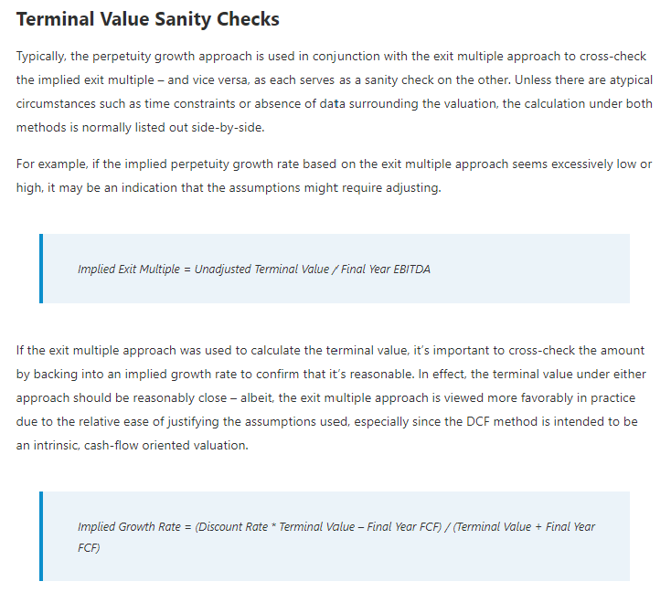
Assumptions |  |  |  |  | Terminal Value
Tax Rate |  | 20% |  |  | EV/EBITDA |  | $213,542 |  | Implied Perp. Growth Rate |  | 6.1%
Discount Rate |  | 9.00% |  |  | Perp.Growth Rate |  | $209,958 |  | Implied EM TV |  | 13.99x
Perpetual Growth Rate |  | 3.00%
EV/EBITDA Multiple |  | 10.00x
Current Share Price |  | $66.60
Shares Outstanding (M) |  | 981.00

Discounted Cash Flow |  |  |  | 2022E | 2023E | 2024E | 2025E | 2026E | 2027E | 2028E | 2029E | 2030E | 2031E
EBIT |  |  |  | $3,161 | $7,275 | $8,253 | $9,286 | $10,679 | $11,819 | $12,884 | $14,085 | $15,140 | $15,685
Less: Taxes |  |  |  | $632 | $1,455 | $1,651 | $1,857 | $2,136 | $2,364 | $2,577 | $2,817 | $3,028 | $3,137
EBIAT |  |  |  | $2,529 | $5,820 | $6,602 | $7,429 | $8,543 | $9,455 | $10,307 | $11,268 | $12,112 | $12,548
Plus: Depreciation & Amortization |  |  |  | $2,726 | $3,093 | $3,480 | $3,912 | $4,329 | $4,719 | $5,056 | $5,329 | $5,520 | $5,669
Less: Capital Expenditures |  |  |  | $6,830 | $7,231 | $7,749 | $7,622 | $7,231 | $6,568 | $5,630 | $5,933 | $5,532 | $5,681
Less: Changes in Net Working capital |  |  |  | $(1,575) | $(179) | $(179) | $45 | $(176) | $(164) | $184 | $218 | $(57) | $306
Unlevered Free Cash Flow (FCFF) |  |  |  | $0 | $1,861 | $2,512 | $3,674 | $5,817 | $7,770 | $9,550 | $10,446 | $12,157 | $12,231

Plowback Ratio
EBIAT |  |  |  | $2,529 | $5,820 | $6,602 | $7,429 | $8,543 | $9,455 | $10,307 | $11,268 | $12,112 | $12,548
Capex |  |  |  | $(6,830) | $(7,231) | $(7,749) | $(7,622) | $(7,231) | $(6,568) | $(5,630) | $(5,933) | $(5,532) | $(5,681)
Depreciation & Amortization |  |  |  | $2,726 | $3,093 | $3,480 | $3,912 | $4,329 | $4,719 | $5,056 | $5,329 | $5,520 | $5,669
Changes in NWC |  |  |  | $(1,575) | $(179) | $(179) | $45 | $(176) | $(164) | $184 | $218 | $(57) | $306
Implied Plowback ratio |  |  |  | -440.2% | -180.4% | -172.8% | -154.6% | -137.4% | -121.1% | -101.9% | -98.0% | -91.7% | -88.0%

Intrinsic Value (PGM) |  |  |  | 2022E | 2023E | 2024E | 2025E | 2026E | 2027E | 2028E | 2029E | 2030E | 2031E |  |  |  |  |  | https://www.wallstreetprep.com/knowledge/terminal-value/
Unlevered Free Cash Flow |  |  |  | $0 | $1,861 | $2,512 | $3,674 | $5,817 | $7,770 | $9,550 | $10,446 | $12,157 | $222,188

Enterprise Value | $129,921 |  | % EV from TV | 71% |  | using-mid year discount
Cash | $673
Debt | $53,195
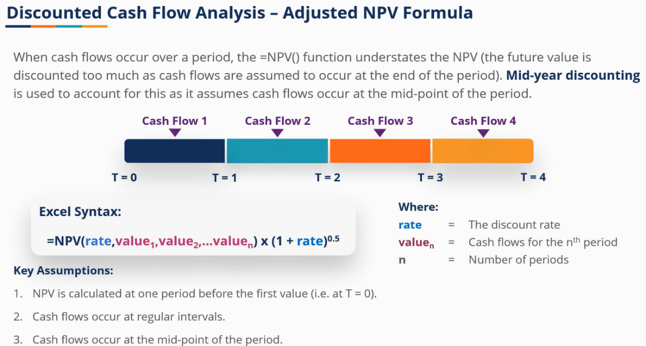
Net Debt | $52,522
Equity Value | $77,399

Equity Value/Share | $78.9

Current Share Price | $66.6
Target Price | $78.9
TP Upside | 18.5%

Intrinsic Value (EMM) |  |  |  | 2022E | 2023E | 2024E | 2025E | 2026E | 2027E | 2028E | 2029E | 2030E | 2031E
Unlevered Free Cash Flow |  |  |  | $0 | $1,861 | $2,512 | $3,674 | $5,817 | $7,770 | $9,550 | $10,446 | $12,157 | $225,772

Enterprise Value | $131,501 |  | % EV from TV | 72%
Cash | $673
Debt | $53,195
Net Debt | $52,522
Equity Value | $78,979
 |  |  |  |  |  | using mid-year discount
Equity Value/Share | $80.5

Current Share Price | $66.6
Target Price | $80.5
TP Upside | 20.9%

Charts & Graphs

Ideas:
Current status - financial analysis margins

Historical and projected --- see trend

Changes in revenue sources from different business units

Graph upside potential

BBG Multiples
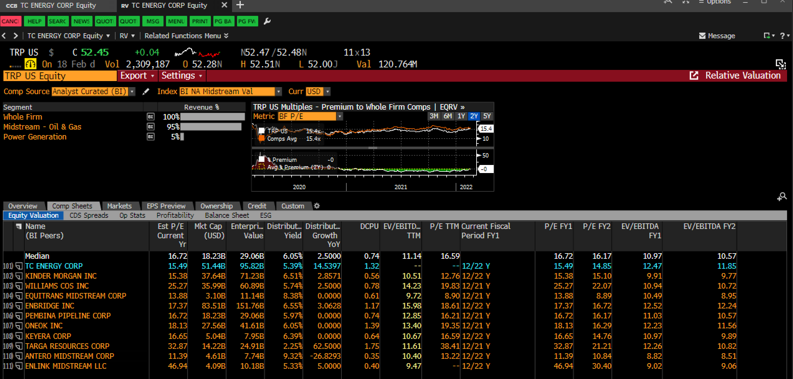

BBG Profitability Comps
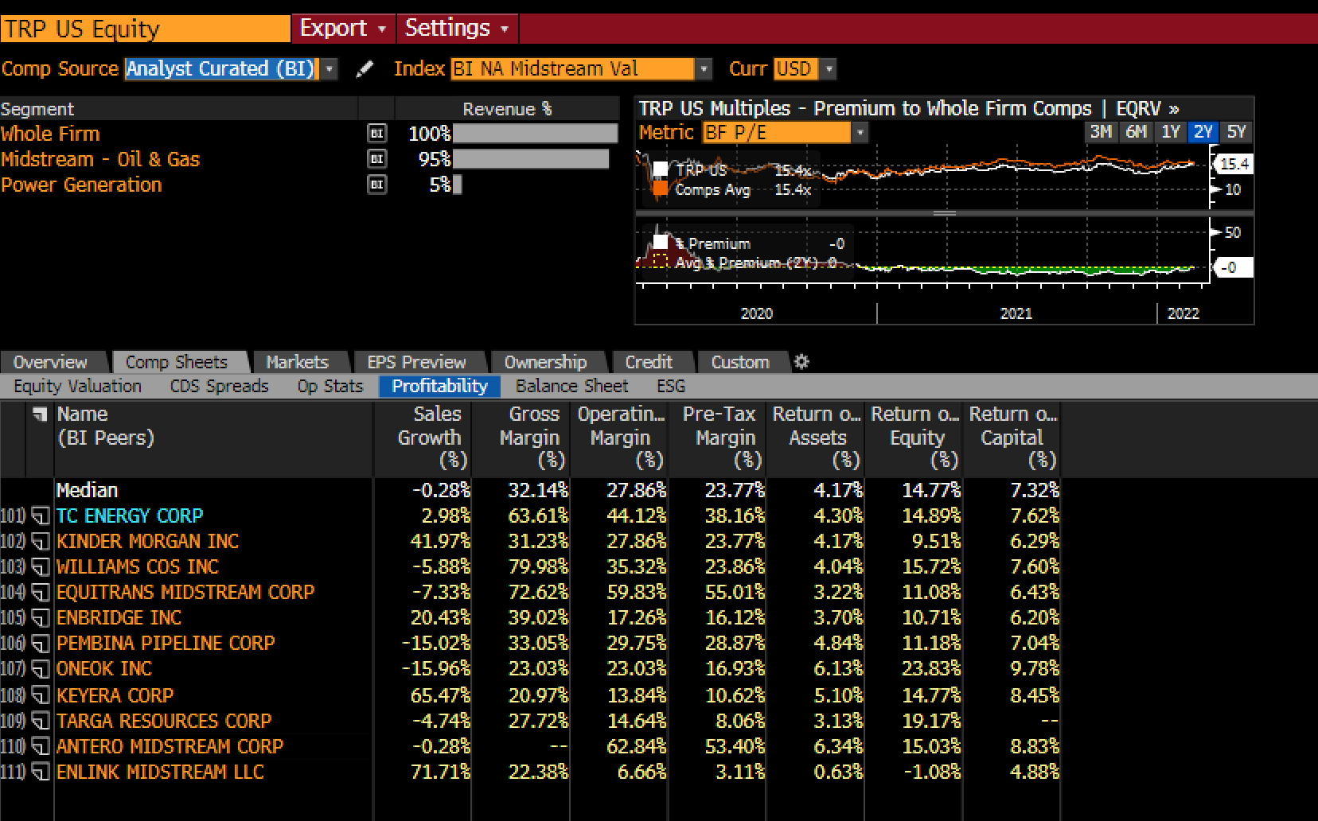

BBG INFO
